Deployment
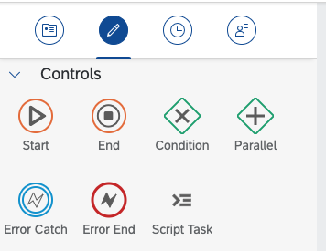
Description
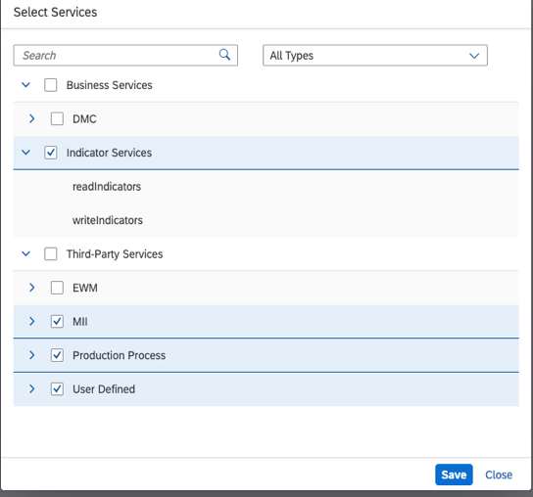

CheckPoints
The process that contains all the support objects can be deployed successfully.
Values validation: if parameter not assgined can't deploy
Parallel not join

